System block Diagram
 | [Note：The below Table is NOT exhaustive. The contents need to be modified or added accordingly] [注意：模板中的条目并不是必须的，也没有穷尽，应根据项目进行删减或添加]
1.system Architecture (consider all the element not only safety related)
abstract the whole system architecture here, including the safety related blocks AND non-safety releted blocks
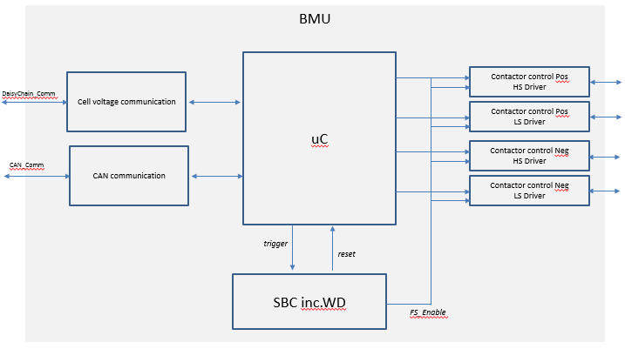

No. | Block name | Function
1 | Cell voltage communication | FuncDef_1: transmission of cell voltage from CMU to uC for safety monitoring;
2 | uC | FuncDef_1: SOC/SOH calculation; FuncDef_2: monitoring of the cell voltage, handling of safety related violation;
3 | SBC inc.WD | FuncDef_1: power supply for the ECU; FuncDef_2: watchdog for monitoring of uC; FuncDef_3: FS enable in case of permanent fault inside uC;
4
5

DFA Analysis
 | [Note：The below Table is NOT exhaustive. The contents need to be modified or added accordingly] [注意：模板中的条目并不是必须的，也没有穷尽，应根据项目进行删减或添加]

1 Introduction of Product and Safety goal(s)
 | SRQ_001 | Traction Motor (TM) system is based on NextGen project.
 | SRQ_002 | SG-1: Avoid unintended accelerating torque, ASIL C
2 Fault Tree Drawing
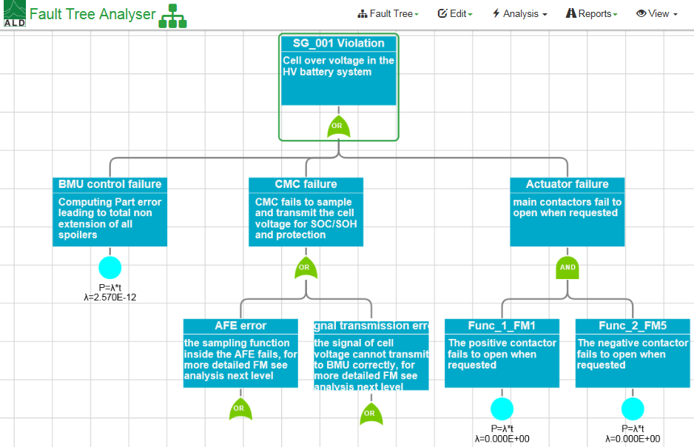
3 Top Event List
 | No. | Top Event | Description |  |  | ASIL
 | 1 | SW_Failure_1 & SW_Failure_2 | the evaluation of cell voltage fails & the failure in reception of cell faulty info |  |  | ASIL C
 | 2

4 SW Module Description

TE-1 | DF-I Category | Interpretation | DF-Initiator Examples | Applicable? | Counter Measure Description | Evidence | sufficient? | Comment
 | Shared resource | The same software, hardware, or system element instance used by the two elements which are therefore affected by the failure or unavailability of that shared resource, i.e. from a physical perspective. | — Power supply (see also Insufficient Environmental Immunity) — Wiring harness — Data and communication busses — Powerstage – allocated memory
 | Components of identical type | Identical components may fail with higher probability simultaneously (common mode failures) | — Same type of actuator/ power stage e.g. motor — Same type of sensors
 | Communication between the two functions | Receiving function is affected by information that is false, lost, sent multiple times, or in the wrong order etc. from the sender | — CAN connection between two ECUs of the same system — Communication between two microcontrollers within the same ECU
 | Shared information inputs | Same information consumed by the two functions even in absence of shared resources, i.e. from a functional perspective | — External messages (e.g. CAN, Flexray, or AUTOSAR RTE messages) — External physical signals (e.g. magnetic fields, remote/radio signals) — Readings detected by capacitive/radar/optical sensors
 | Environmental influences | Common external environmental disturbance affects both functions | — Mechanical coupling — Flammable material
 | Unintended impact | Two functions affecting each other’s elements directly via an implicit, that is unintended interface. | — One functionality overruling the other because of missing synchronization
 | Systematic coupling | Systematic causes from human or tool errors can lead to the simultaneous failure of more than one function | — Identical production processes used for multiple elements — Identical repair processes used for multiple elements.

